Parámetros
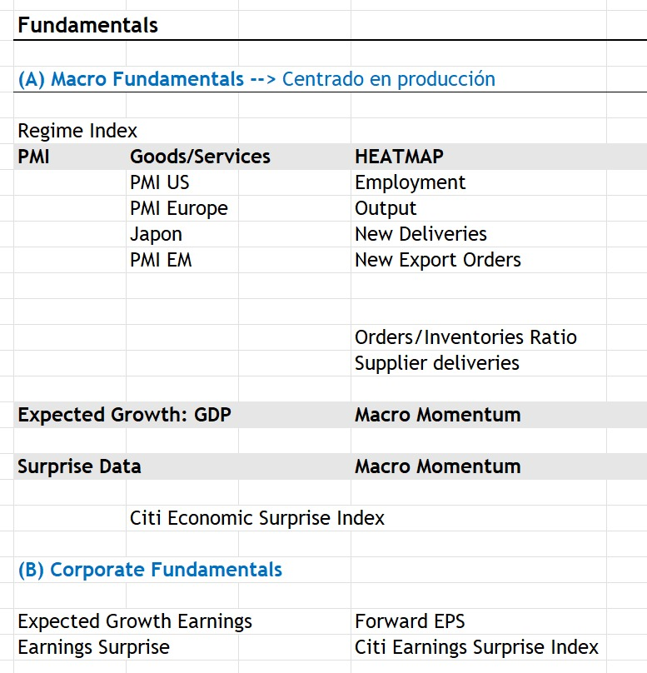
 |  |  |  |  |  |  | ISM Services PMI | ISM Services Employment Index | ISM Services Business Activity Index | ISM Services Supplier Deliveries Index | Euro Area Services PMI | China Services PMI | ISM Manufacturing PMI | ISM Manufacturing Employment index | ISM Manufacturing Production index | ISM Manufacturing New Export Orders index | Euro Area Manufacturing PMI | China Manufacturing PMI | Date | Chinna Real GDP | US Real GDP | Euro Area Real GDP | Date | US Bloomberg Economics Growth Data Surprise Index | Date | Citi Surprise Index US | Citi Surprise Index Eurozone | Citi Surprise Index China | Citi Surprise Index Global
Pilar | Subpilar | Categoría | Nombre | País / Región | Ticker | Data Field | Frecuencia | Fuente | Link
Fundamentals | Macro | PMI | ISM Services PMI | US | NAPMNMI Index | Last Price |  | Bloomberg
Fundamentals | Macro | PMI | ISM Services Employment Index | US | NAPMNEMP Index | Last Price |  | Bloomberg
Fundamentals | Macro | PMI | ISM Services Business Activity Index | US | NAPMNMAN Index | Last Price |  | Bloomberg
Fundamentals | Macro | PMI | ISM Services Supplier Deliveries Index | US | NAPMNSD Index | Last Price |  | Bloomberg
Fundamentals | Macro | PMI | Euro Area Services PMI | Euro zona | MPMIEZSA Index | Last Price |  | Bloomberg
Fundamentals | Macro | PMI | China Services PMI | China zona | MPMICNSA Index | Last Price |  | Bloomberg
Fundamentals | Macro | PMI | ISM Manufacturing PMI | US | NAPMPMI Index | Last Price |  | Bloomberg
Fundamentals | Macro | PMI | ISM Manufacturing Employment index | US | NAPMEMPL Index | Last Price |  | Bloomberg
Fundamentals | Macro | PMI | ISM Manufacturing Production index | US | NAPMPROD Index | Last Price |  | Bloomberg
Fundamentals | Macro | PMI | ISM Manufacturing New Export Orders index | US | NAPMNEWO Index | Last Price |  | Bloomberg
Fundamentals | Macro | PMI | Euro Area Manufacturing PMI | Euro zona | MPMIEZMA Index | Last Price |  | Bloomberg
Fundamentals | Macro | PMI | China Manufacturing PMI | China zona | CPMINDX Index | Last Price |  | Bloomberg
Fundamentals | Macro | PMI | ISM New Orders/Inventories | US | .ISM G Index | Last Price |  | Bloomberg
Fundamentals | Macro | Surprise index | Citi Surprise Index US | US | CESIUSD Index | Last Price |  | Bloomberg
Fundamentals | Macro | Surprise index | Citi Surprise Index Eurozone | US | CESIEUR Index | Last Price |  | Bloomberg
Fundamentals | Macro | Surprise index | Citi Surprise Index China | US | CESICNY Index | Last Price |  | Bloomberg
Fundamentals | Macro | Surprise index | Citi Surprise Index Global | US | CESIGL Index | Last Price |  | Bloomberg
Fundamentals | Macro | Expected Growth | US GDP Economic Forecast | US | ECGDUS 26 Index | Last Price |  | Bloomberg
Fundamentals | Macro | Expected Growth | US GDP Economic Forecast | US | ECGDUS 27 Index | Last Price |  | Bloomberg
Fundamentals | Macro | Expected Growth | PE GDP Economic Forecast | PE | ECGDPE 26 Index | Last Price |  | Bloomberg
Fundamentals | Macro | Expected Growth | PE GDP Economic Forecast | PE | ECGDPE 27 Index | Last Price |  | Bloomberg
Fundamentals | Macro | Expected Growth | World GDP Economic Forecast | World | ECGDWO 26 Index | Last Price |  | Bloomberg
Fundamentals | Macro | Expected Growth | World GDP Economic Forecast | World | ECGDWO 27 Index | Last Price |  | Bloomberg
Fundamentals | Macro | Expected Growth | Developed Economies GDP Economic Forecast | Developed Economies | ECGDD1 26 Index | Last Price |  | Bloomberg
Fundamentals | Macro | Expected Growth | Developed Economies GDP Economic Forecast | Developed Economies | ECGDD1 27 Index | Last Price |  | Bloomberg
Fundamentals | Macro | Expected Growth | Emerging Economies GDP Economic Forecast | Emerging Economies | ECGDM1 26 Index | Last Price |  | Bloomberg
Fundamentals | Macro | Expected Growth | Emerging Economies GDP Economic Forecast | Emerging Economies | ECGDM1 27 Index | Last Price |  | Bloomberg
Fundamentals | Macro | Expected Growth | European Union GDP Economic Forecast |  | ECGDE2 26 Index | Last Price |  | Bloomberg
Fundamentals | Macro | Expected Growth | European Union GDP Economic Forecast |  | ECGDE2 27 Index | Last Price |  | Bloomberg
Fundamentals | Macro | Expected Growth | Eurozone GDP Economic Forecast |  | ECGDEU 26 Index | Last Price |  | Bloomberg
Fundamentals | Macro | Expected Growth | Eurozone GDP Economic Forecast |  | ECGDEU 27 Index | Last Price |  | Bloomberg
Fundamentals | Macro | Expected Growth | Latin America GDP Economic Forecast |  | ECGDR4 26 Index | Last Price |  | Bloomberg
Fundamentals | Macro | Expected Growth | Latin America GDP Economic Forecast |  | ECGDR4 27 Index | Last Price |  | Bloomberg
Fundamentals | Macro | Expected Growth | Asia Ex-Japan GDP Economic Forecast |  | ECGDR2 26 Index | Last Price |  | Bloomberg
Fundamentals | Macro | Expected Growth | Asia Ex-Japan GDP Economic Forecast |  | ECGDR2 27 Index | Last Price |  | Bloomberg
Fundamentals | Macro | Expected Growth | Japan GDP Economic Forecast |  | ECGDJP 26 Index | Last Price |  | Bloomberg
Fundamentals | Macro | Expected Growth | Japan GDP Economic Forecast |  | ECGDJP 27 Index | Last Price |  | Bloomberg
Fundamentals | Macro | Expected Growth | China GDP Economic Forecast |  | ECGDCN 26 Index | Last Price |  | Bloomberg
Fundamentals | Macro | Expected Growth | China GDP Economic Forecast |  | ECGDCN 27 Index | Last Price |  | Bloomberg
Fundamentals | Corporativo | Earnings Growth | Developed Markets Forward EPS | World | MXWO Index (*best EPS en bbg) | Best EPS |  | Bloomberg
Fundamentals | Corporativo | Earnings Growth | US Forward EPS |  | SPX Index | Best EPS
Fundamentals | Corporativo | Earnings Growth | Eurozone Forward EPS |  | MXEMU Index | Best EPS
Fundamentals | Corporativo | Earnings Growth | China Forward EPS | China | MXCN Index | Best EPS |  | Bloomberg
Fundamentals | Corporativo | Earnings Growth | Japan Forward EPS | Japan | MXJP Index | Best EPS |  | Bloomberg
Fundamentals | Corporativo | Earnings Growth | Latin America Forward EPS |  | MXLA Index | Best EPS |  | Bloomberg
Fundamentals | Corporativo | Earnings Growth | Emerging Markets Forward EPS |  | MXEF Index | Best EPS |  | Bloomberg
Fundamentals | Corporativo | Earnings Surprise | Developed Markets Earnings Surprise (formula) |  | Construido | Ratio |  | Bloomberg
Fundamentals | Corporativo | Earnings Surprise | US Earnings Surprise |  | Construido | Ratio |  | Bloomberg
Fundamentals | Corporativo | Earnings Surprise | Eurozone Earnings Surprise |  | Construido | Ratio |  | Bloomberg
Fundamentals | Corporativo | Earnings Surprise | China Earnings Surprise |  | Construido | Ratio |  | Bloomberg
Fundamentals | Corporativo | Earnings Surprise | Japan Earnings Surprise |  | Construido | Ratio |  | Bloomberg
Fundamentals | Corporativo | Earnings Surprise | Latin America Earnings Surprise |  | Construido | Ratio |  | Bloomberg
Fundamentals | Corporativo | Earnings Surprise | Emerging Markets Earnings Surprise |  | Construido | Ratio |  | Bloomberg

 |  |  |  |  |  |  |  |  | US | 2.2
 | (1) | Falta dalta del ratio para Macro |  | macro
 | (2) | Falta data de Crecimiento Esperado del PBI |  | macro | FCST |  | ECFC
 | (3) | Corregir/bajar data de forward EPS |  | Corp
 | (4) | Falta data de Earnings Surprise |  | Corp | US

 | (2) | US | ECGDUS Index | Bajar 2026, 2027
 |  | PE | ECGDPE Index | Bajar 2026, 2027
 |  | World (YoY%) |  | Bajar 2026, 2027
 |  | Developed Economies ( |  | Bajar 2026, 2027
 |  | Emerging Economies |  | Bajar 2026, 2027
 |  | European Union (YoY%) |  | Bajar 2026, 2027
 |  | Eurozone (YoY%) |  | Bajar 2026, 2027
 |  | Latin America (YoY%) |  | Bajar 2026, 2027
 |  | Asia Ex-Japan |  | Bajar 2026, 2027
 |  | Japan |  | Bajar 2026, 2027
 |  | China |  | Bajar 2026, 2027

 |  |  |  |  | Best EPS
 | (4) |  |  |  | Basic EPS (IS061)
 |  |  |  |  | para las regiones en amarillo en la pestaña JUNIOR

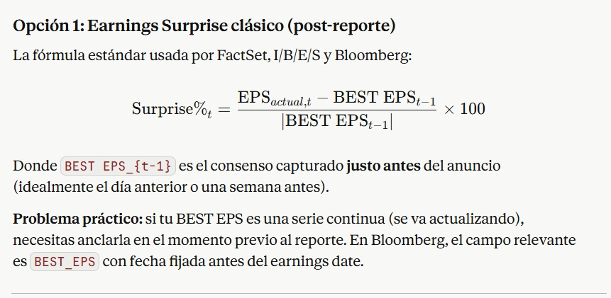

Para Corporativo, falta la data de Earnings growth (Forward EPS) |  |  |  | 600624 CH Equity | FWRD US Equity
Para corporativo, solo hay data de US? Falta para las otras regiones
PMI Macro: no hay data para Japón, Mercados Emergentes (aparte de China?
Macro: Daniel Morales mencionó un ratio Orders/Inventories (o algo así), ese falta, sino dile que te
lo vuelva a explicar y bajas la data

